Cover Page
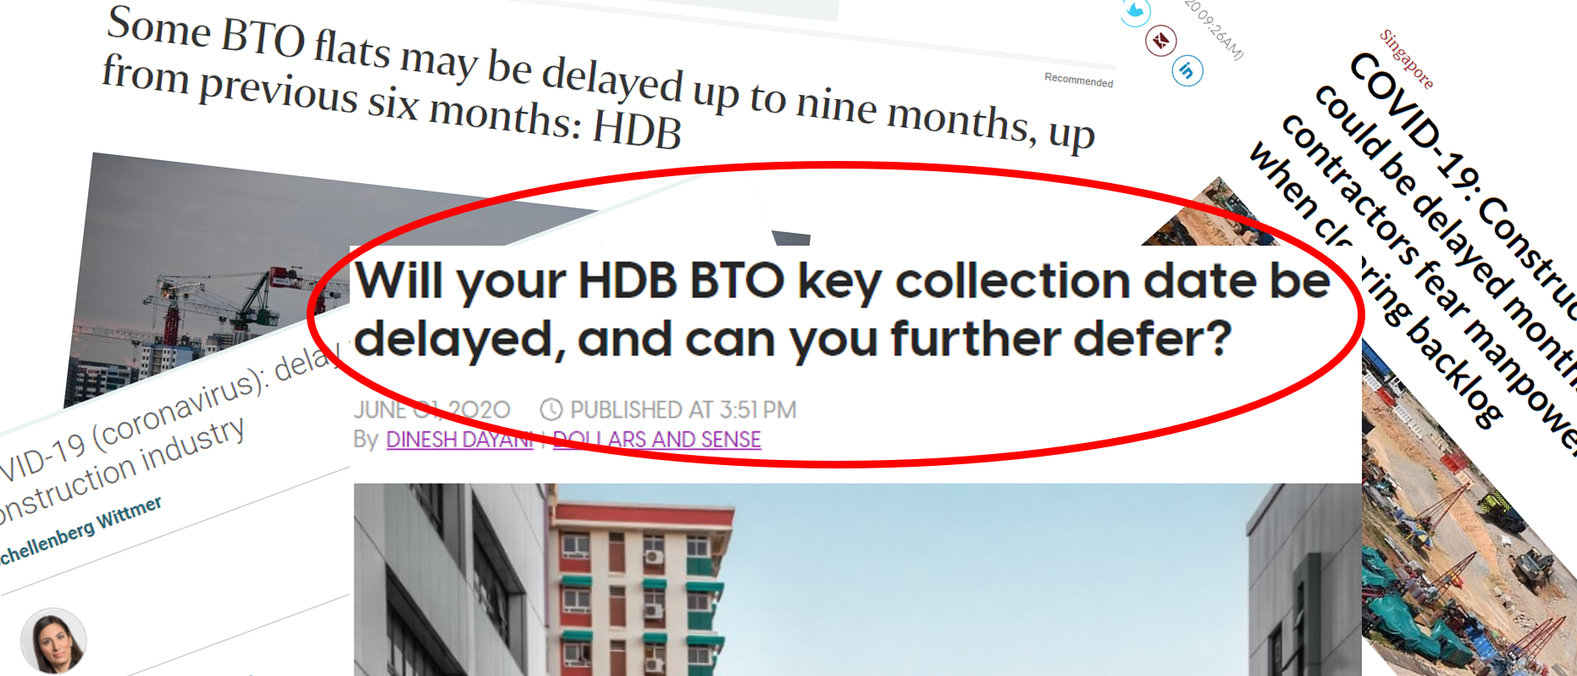

Title
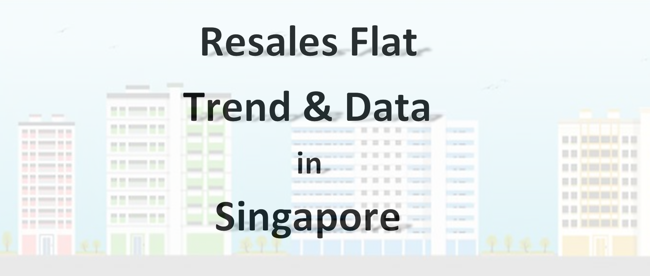

Dashboard-Trend
Average Resales Price Time Line Area Chart
 | 1 Room | 2 Room | 3 Room | 4 Room | 5 Room | Executive | Multi Generation
1990 | 7,860 | 20,494 | 41,599 | 80,766 | 138,570 | 195,993
1991 | 8,174 | 22,455 | 43,757 | 83,936 | 142,424 | 197,047 | 165,000
1992 | 9,776 | 24,092 | 48,004 | 90,879 | 157,593 | 224,318 | 245,859
1993 | 19,279 | 36,653 | 71,489 | 136,918 | 235,072 | 304,279 | 302,573
1994 | 25,761 | 47,032 | 92,861 | 179,927 | 293,129 | 382,799 | 408,906
1995 | 38,800 | 59,643 | 117,185 | 218,035 | 356,166 | 450,111 | 496,453
1996 | 64,116 | 89,697 | 166,767 | 292,702 | 451,758 | 578,239 | 624,993
1997 | 87,611 | 112,044 | 188,505 | 305,423 | 457,544 | 567,782 | 618,532
1998 | 55,426 | 90,647 | 150,030 | 255,570 | 391,088 | 487,879 | 524,533
1999 | 52,446 | 85,914 | 142,411 | 248,880 | 372,230 | 461,942 | 471,960
2000 | 48,500 | 94,013 | 157,437 | 265,089 | 395,324 | 476,165 | 501,738
2001 | 40,335 | 84,899 | 145,485 | 249,637 | 365,296 | 465,578 | 476,770
2002 | 44,427 | 88,609 | 144,569 | 241,929 | 348,297 | 437,093 | 456,567
2003 | 54,307 | 101,739 | 159,984 | 247,884 | 348,772 | 427,380 | 453,818
2004 | 65,205 | 112,512 | 175,171 | 252,429 | 338,975 | 403,773 | 445,917
2005 | 72,196 | 113,760 | 171,909 | 248,328 | 322,229 | 378,840 | 441,556
2006 | 82,575 | 120,530 | 168,345 | 251,632 | 327,358 | 374,324 | 407,153
2007 | 97,550 | 135,965 | 185,069 | 275,928 | 364,798 | 418,573 | 412,822
2008 | 122,474 | 163,325 | 229,087 | 334,200 | 441,062 | 498,764 | 534,926
2009 | 153,544 | 181,251 | 252,367 | 356,795 | 451,204 | 507,533 | 547,190
2010 | 188,476 | 218,852 | 291,739 | 400,758 | 502,652 | 562,849 | 595,940
2011 | 213,750 | 250,002 | 330,489 | 451,138 | 562,732 | 627,231 | 695,417
2012 | 237,062 | 266,204 | 360,145 | 485,644 | 604,039 | 686,865 | 783,639
2013 | 240,083 | 273,136 | 370,315 | 507,379 | 631,061 | 724,576 | 793,489
2014 | 222,225 | 261,324 | 348,592 | 481,328 | 600,812 | 699,807 | 702,000
2015 | 208,111 | 252,856 | 334,673 | 476,401 | 600,375 | 688,371 | 805,000
2016 | 212,600 | 247,998 | 330,485 | 478,774 | 610,484 | 694,222 | 754,500
2017 | 200,889 | 243,235 | 328,059 | 481,168 | 613,494 | 699,500 | 812,500
2018 | 184,111 | 230,412 | 317,075 | 477,961 | 609,407 | 695,811 | 809,383
2019 | 175,843 | 229,150 | 314,935 | 472,548 | 606,239 | 687,992 | 841,773
2020 | 175,625 | 231,084 | 317,842 | 474,634 | 610,053 | 685,724 | 750,000

Total No. of Resales Flats Transaction from 1990 to 2020 (1st Aug)
 | 1 Room | 2 Room | 3 Room | 4 Room | 5 Room | Executive | Multi Generation
Ang Mo Kio | 231 | 670 | 30,713 | 11,580 | 4,622 | 317
Bedok |  | 859 | 28,385 | 19,222 | 10,000 | 2,781
Bishan |  |  | 2,703 | 9,502 | 5,337 | 1,843 | 91
Bukit Batok |  |  | 17,115 | 15,299 | 4,437 | 3,514
Bukit Merah | 1,042 | 1,143 | 14,323 | 8,237 | 5,696 | 5
Bukit Panjang |  | 47 | 3,842 | 11,235 | 6,496 | 2,509
Bukit Timah |  |  | 446 | 828 | 586 | 417
Central Area |  | 721 | 3,563 | 1,771 | 266 | 2
Choa Chu Kang |  | 33 | 2,055 | 16,941 | 10,177 | 4,104
Clementi |  | 41 | 15,405 | 7,098 | 2,406 | 754
Geylang |  | 1,531 | 12,334 | 7,754 | 2,977 | 1,027
Hougang |  | 35 | 11,407 | 20,679 | 8,510 | 4,702
Jurong East |  | 40 | 9,265 | 6,348 | 5,414 | 1,747
Jurong West |  | 109 | 16,745 | 23,527 | 14,892 | 5,280
Kallang/Whampoa |  | 709 | 12,900 | 6,340 | 3,518 | 507
Lim Chu Kang |  |  | 46 | 18
Marine Parade |  | 8 | 3,819 | 1,783 | 1,765
Pasir Ris |  | 38 | 185 | 11,823 | 9,728 | 8,393
Punggol |  | 125 | 451 | 5,232 | 5,786 | 533
Queenstown |  | 2,509 | 16,867 | 3,889 | 2,280 | 304
Sembawang |  | 59 | 101 | 5,057 | 4,344 | 1,409
Sengkang |  | 169 | 646 | 11,067 | 9,702 | 2,079
Serangoon |  | 69 | 5,323 | 9,610 | 3,458 | 2,621
Tampines |  | 37 | 18,129 | 29,774 | 17,750 | 7,084 | 131
Toa Payoh |  | 711 | 16,351 | 6,604 | 3,954 | 822
Woodlands |  | 89 | 8,738 | 26,926 | 16,778 | 6,086
Yishun |  | 74 | 20,170 | 30,121 | 8,888 | 3,604 | 278

Avg. Resales Price for - 5 Room in Tampines
 | Total
1990 | 129,294
1991 | 128,899
1992 | 143,870
1993 | 214,711
1994 | 278,822
1995 | 341,262
1996 | 451,163
1997 | 445,998
1998 | 378,991
1999 | 364,723
2000 | 391,042
2001 | 358,342
2002 | 341,012
2003 | 335,704
2004 | 324,044
2005 | 304,517
2006 | 298,575
2007 | 321,481
2008 | 385,854
2009 | 400,206
2010 | 444,816
2011 | 501,938
2012 | 540,765
2013 | 558,674
2014 | 560,842
2015 | 533,078
2016 | 544,176
2017 | 553,608
2018 | 548,550
2019 | 550,447
2020 | 551,670

Dashboard-Data
% of Resales Flat in - Ang Mo Kio - Year 2016
 | 2016
2 Room | 21
3 Room | 549
4 Room | 239
5 Room | 122
Executive | 16
No. of Resales Flat in - Ang Mo Kio - Year 2016
 | 2 Room | 3 Room | 4 Room | 5 Room | Executive
2016 | 21 | 549 | 239 | 122 | 16

Min. & Max. Resales Price ($) in - Ang Mo Kio - Year 2016
 | Sum of Min Price | Sum of Max Price
2 Room | 220000 | 270000
3 Room | 260000 | 570000
4 Room | 370000 | 750000
5 Room | 495000 | 980000
Executive | 628000 | 915000
Min. & Max. Floor Area (sqm) in - Ang Mo Kio - Year 2016
 | Sum of Min Area | Sum of Max Area
2 Room | 44 | 45
3 Room | 60 | 89
4 Room | 81 | 109
5 Room | 110 | 137
Executive | 146 | 174

